Inventory List
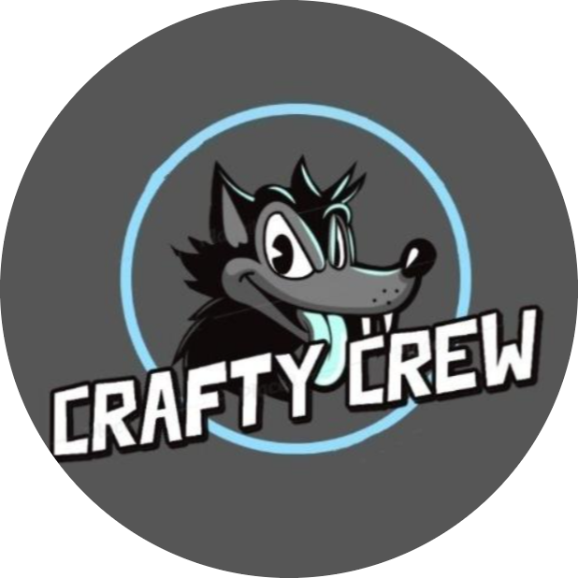 |  |  | ISSUE LOG
Issue# | Issue Description | Impact on Project | Date Reported | Reported By | Priority(H/M/L) | Due Date | Status | Comments
1 | Project Charter approval pending | Crucial step for project authorization in the initial phase | 2021-11-27 | Scott Molnar | M | 2021-11-29 | Closed | Project charter signed off by project sponsor
2 | Scope Management plan change in breaking down the structure and correcting repetition | It delayed collection of requirement process and processing with WBS | 2021-11-29 | Scott Molnar, Isha Desai, Do Ky, Elliot Bazuaye | L | 2021-12-03 | Closed | Instructions given by project charter to arrange everything in bullet points and signed off by project sponsor
3 | Design document structure issue, missing picture of the game replica, grammatical errors, document missing bullet points | Caused delay in starting project charter and deciding format, levels and structure for the game | 2021-11-22 | Scott Molnar, Isha Desai, Do Ky, Elliot Bazuaye | H | 2021-11-26 | Closed | Project sponser advised to add replica image to represent how game will look like, add bullet points and correct grammetical errors. It was signed off by project sponser later
4 | Issues with making enemy character move automatically in random directions | Caused delay in working on menu screen and level 2 | 2022-01-08 | Isha Desai | H | 2022-01-20 | Closed | Issues resolved by Scott Molnar and presented successfully in alpha meeting.
5 | Issues with transitioning from level 1 to level 2 | Caused delay in working on background, sound and characters movement | 2022-01-12 | Isha Desai | M | 2022-01-27 | Closed | Transition effect coding implemented by Scott Molnar fixed the issue and presented in status meeting.
6 | Issues with finding level 3 background music | May impact on project submission on 02/10 | 2022-01-26 | Scott Molnar, Isha Desai, Elliot Bazuaye | L | 2022-02-10 | Closed | Found sound file for level 3 and Scott Molnar is going to upload the sound file after team's approval
7 | Credit Screen not completed | May cause delay in overall scheduling | 2022-01-27 | Scott Molnar, Isha Desai,Do Ky,Elliot Bazuaye | M | 2022-01-27 | Closed | Credit Screen done by Scott Molnar and presented in status meeting.
8 | First version of menu was not what we wanted | Made me spend more time on making a new main menu | 2022-01-19 | Scott Molnar | H | 2022-01-30 | Closed | Main menu done by Scott Molnar and presented to the group.
9 | Player sprite using multiple sprites for directional movement | Would fill up the program with alot of extra data and sprites | 2022-01-19 | Sponsor's | M | 2022-01-30 | Closed | Found a better way to find the direction of the sprite and how to call it from a sprite image list instead of calling multiple sprite images from the program
10 | Player Sprite was to small | Be hard for the player to focus on their character | 2022-01-19 | Sponsor's | H | 2022-01-30 | Closed | Resized the player sprite
11 | Text was not the same in the pause screen | Caused inconsistency | 2022-02-10 | Sponsor's | H | 2022-02-16 | Closed | Set the text to be all the same
12 | On level 3 the player could endlessly teleport through the cave | Could crash the game and cause less fun being stuck in a loop | 2022-02-10 | Sponsor's | H | 2022-02-16 | Closed | Set a cool down for the teleport effect
13 | Game was able to be paused during transitions | Could cause the next level to not fully load or break the transitions | 2022-02-10 | Scott | H | 2022-02-16 | Closed | Change it so you could not pause during the transitions
14 | Player would stop when rolling towards/into the water on level 2 | Made it look very clunky and broken | 2022-02-10 | Scott | H | 2022-02-16 | Closed | Made it so when the layer rolls towards/into the water they just slow down but compelete the roll
15
16

